Environmental Data
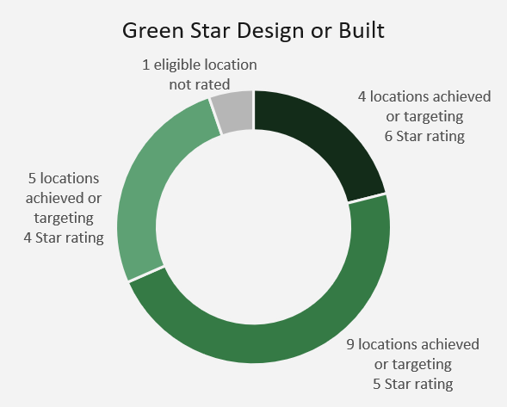
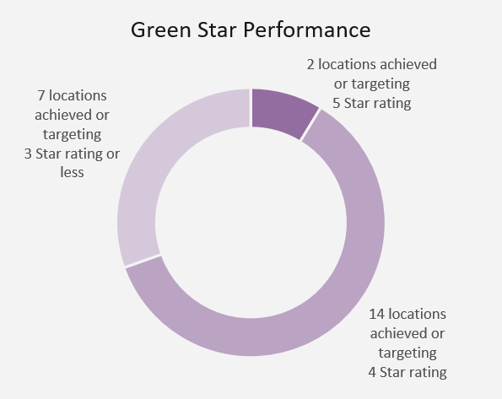
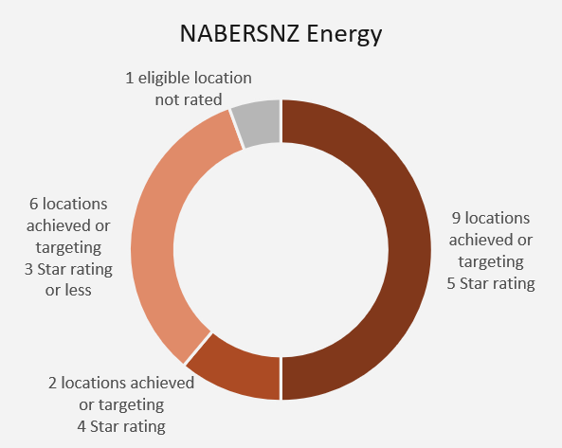
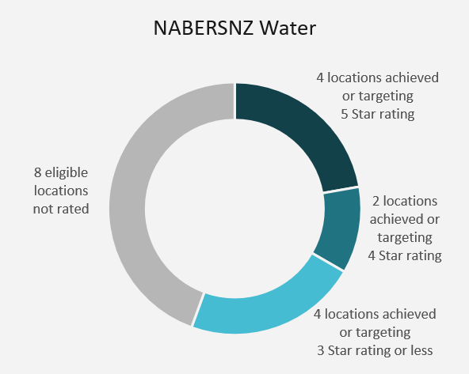
Environmental Data

Introduction

This section provides detailed environmental performance data for Precinct's property portfolio and corporate operations. Information is presented for FY26 together with historical comparative data where available. Environmental disclosures are grouped into three categories: - Greenhouse gas emissions - Resource consumption and waste generation - Sustainability ratings and certifications The information in this section supports disclosures contained within Precinct's FY26 Sustainability Report and Climate-related Disclosure.

Greenhouse Gas Emissions
This section presents Precinct's greenhouse gas (GHG) emissions performance, including Scope 1, Scope 2 and Scope 3 emissions. Portfolio emission intensity metrics are disclosed for the office portfolio, while organisational emissions are disclosed on a total emissions basis. Emissions are presented using both market-based and location-based methodologies where relevant. Historical emissions have been restated where required to reflect changes in organisational boundaries, reporting methodologies, updated emissions factors or improvements in data quality. Scope 3 disclosures have progressively expanded over time as data availability and reporting maturity have improved. Consequently, some historical Scope 3 figures may not be directly comparable across all reporting periods.

Precinct Properties Scope 1 & 2 Emissions

Office Portfolio Greenhouse Gas Emissions Intensity (kgCO₂e/m²)

Market-based method |  |  |  |  |  |  |  |  |  |  |  | Location-based method

 |  |  |  |  |  |  |  |  |  | Variance (% change) |  |  |  |  |  |  |  |  |  |  |  | Variance (% change)
 | FY25 | FY24 | FY23 | FY22 | FY21 | FY20 | FY19 | FY18 | FY17 (base) | to FY24 | to base year |  | FY25 | FY24 | FY23 | FY22 | FY21 | FY20 | FY19 | FY18 | FY17 (base) | to FY24 | to base year

Gross Scope 1 Emissions | 6.1 | 6.4 | 5.8 | 6.1 | 9.1 | 8.9 | 10.1 | 8.8 | 10.4 | -4% | -41% | Gross Scope 1 Emissions | 6.1 | 6.4 | 5.8 | 6.1 | 9.1 | 8.9 | 10.1 | 8.8 | 10.4 | -4% | -41%
Gross Scope 2 Emissions (Market-based method) | 0.0 | 0.0 | 0.0 | 3.6 | 7.7 | 6.8 | 6.8 | 6.9 | 7.7 | -100% | -100% | Gross Scope 2 Emissions (Location-based method) | 5.5 | 3.7 | 4.2 | 7.1 | 7.6 | 7.4 | 7.0 | 6.9 | 7.7 | 48% | -28%
Total Gross Scope 1 & 2 Emissions Intensity | 6.1 | 6.4 | 5.8 | 9.7 | 16.8 | 15.7 | 16.9 | 15.6 | 18.1 | -4% | -66% | Total Gross Scope 1 & 2 Emissions Intensity | 11.6 | 10.1 | 9.9 | 13.1 | 16.8 | 16.4 | 17.1 | 15.6 | 18.1 | 15% | -36%

Net Emissions after Offsets | 0.0 | 0.0 | 0.0 | 0.0 | 0.0 | 0.0 | 0.0 | 15.6 | 18.1 | - | -100% | Net Emissions after Offsets | 5.3 | 1.9 | 3.9 | 2.2 | 0.0 | 0.0 | 0.0 | 15.6 | 18.1 | 185% | -71%
Target Emission Reduction Trajectory |  |  |  |  |  |  |  |  |  |  |  | Target Emission Reduction Trajectory

Total Organisation Greenhouse Gas Emissions (kgCO₂e)

Market-based method |  |  |  |  |  |  |  |  |  |  |  | Location-based method

 |  |  |  |  |  |  |  |  |  | Variance (% change) |  |  |  |  |  |  |  |  |  |  |  | Variance (% change)
 | FY25 | FY24 | FY23 | FY22 | FY21 | FY20 | FY19 | FY18 | FY17 (base) | to FY24 | to base year |  | FY25 | FY24 | FY23 | FY22 | FY21 | FY20 | FY19 | FY18 | FY17 (base) | to FY24 | to base year

Gross Scope 1 Emissions | 1,706 | 2,397 | 1,551 | 1,573 | 2,316 | 1,974 | 2,036 | 2,098 | 2,488 | -29% | -31% | Gross Scope 1 Emissions | 1,706 | 2,397 | 1,551 | 1,573 | 2,316 | 1,974 | 2,036 | 2,098 | 2,488 | -29% | -31%
Gross Scope 2 Emissions (Market-based method) | 0 | 14 | 0 | 1,104 | 2,276 | 1,430 | 1,447 | 1,511 | 1,808 | -100% | -100% | Gross Scope 2 Emissions (Location-based method) | 2,060 | 1,388 | 1,376 | 2,091 | 2,251 | 1,575 | 1,485 | 1,511 | 1,808 | 48% | 14%
Total Gross Scope 1 & 2 Emissions | 1,706 | 2,411 | 1,551 | 2,676 | 4,591 | 3,404 | 3,484 | 3,608 | 4,296 | -29% | -60% | Total Gross Scope 1 & 2 Emissions | 3,766 | 3,784 | 2,927 | 3,664 | 4,567 | 3,548 | 3,521 | 3,608 | 4,296 | 0% | -12%

Net Emissions after Offsets | 0 | 0 | 0 | 0 | 25 | -144 | -38 | 3,609 | 4,296 | - | -100% | Net Emissions after Offsets | 2,060 | 1,374 | 1,375 | 987 | 0 | 0 | 0 | 3,609 | 4,296 | 50% | -52%
Target Emission Reduction Trajectory |  |  |  |  |  |  |  |  |  |  |  | Target Emission Reduction Trajectory

Precinct Properties Scope 3 Emissions

Organisation Greenhouse Gas Emissions (kgCO₂e)

Market-based method |  |  |  |  |  |  |  |  |  |  |  | Location-based method

 | FY25 | FY24 | FY23 | FY22 | FY21 | FY20 | FY19 | FY18 | FY17 (base) |  |  |  | FY25 | FY24 | FY23 | FY22 | FY21 | FY20 | FY19 | FY18 | FY17 (base)

Purchased Goods and Services | 4,539 | 4,166 | 7 | 5 | 6 | 4 | 7 | 12 | 10 |  |  | Purchased Goods and Services | 4,543 | 4,166 | 7 | 5 | 6 | 4 | 7 | 12 | 10
Capital Goods | 29,018 | 12,974 | 0 | 0 | 0 | 0 | 0 | 0 | 0 |  |  | Capital Goods | 29,018 | 12,974 | 0 | 0 | 0 | 0 | 0 | 0 | 0
Fuel and Energy Related Activities | 1,070 | 222 | 221 | 285 | 344 | 336 | 338 | 0 | 0 |  |  | Fuel and Energy Related Activities | 1,070 | 222 | 221 | 285 | 344 | 336 | 338 | 0 | 0
Upstream Transportation & Distribution | 0 | 0 | 0 | 0 | 0 | 0 | 0 | 0 | 0 |  |  | Upstream Transportation & Distribution | 0 | 0 | 0 | 0 | 0 | 0 | 0 | 0 | 0
Waste Generated in Operations | 2,532 | 1,491 | 728 | 145 | 172 | 96 | 84 | 0 | 0 |  |  | Waste Generated in Operations | 2,532 | 1,491 | 728 | 145 | 172 | 96 | 84 | 0 | 0
Business Travel | 127 | 179 | 229 | 97 | 71 | 188 | 197 | 0 | 0 |  |  | Business Travel | 127 | 179 | 229 | 97 | 71 | 188 | 197 | 0 | 0
Employee Commuting | 84 | 96 | 186 | 0 | 0 | 0 | 0 | 0 | 0 |  |  | Employee Commuting | 84 | 96 | 186 | 0 | 0 | 0 | 0 | 0 | 0
Upstream Leased Assets | 319 | 235 | 678 | 0 | 0 | 0 | 0 | 0 | 0 |  |  | Upstream Leased Assets | 312 | 235 | 678 | 0 | 0 | 0 | 0 | 0 | 0
Downstream Transportation and Distribution | 0 | 0 | 0 | 0 | 0 | 0 | 0 | 0 | 0 |  |  | Downstream Transportation and Distribution | 0 | 0 | 0 | 0 | 0 | 0 | 0 | 0 | 0
Processing of Sold Goods | 0 | 0 | 0 | 0 | 0 | 0 | 0 | 0 | 0 |  |  | Processing of Sold Goods | 0 | 0 | 0 | 0 | 0 | 0 | 0 | 0 | 0
Use of Sold Products | 7,209 | 0 | 0 | 0 | 0 | 0 | 0 | 0 | 0 |  |  | Use of Sold Products | 6,995 | 0 | 0 | 0 | 0 | 0 | 0 | 0 | 0
End-of-Life Treatment of Sold Products | 757 | 0 | 0 | 0 | 0 | 0 | 0 | 0 | 0 |  |  | End-of-Life Treatment of Sold Products | 757 | 0 | 0 | 0 | 0 | 0 | 0 | 0 | 0
Downstream Leased Assets | 3,774 | 1,856 | 1,208 | 0 | 0 | 0 | 0 | 0 | 0 |  |  | Downstream Leased Assets | 3,662 | 1,802 | 1,732 | 0 | 0 | 0 | 0 | 0 | 0
Franchises | 0 | 0 | 0 | 0 | 0 | 0 | 0 | 0 | 0 |  |  | Franchises | 0 | 0 | 0 | 0 | 0 | 0 | 0 | 0 | 0
Investments | 0 | 0 | 0 | 0 | 0 | 0 | 0 | 0 | 0 |  |  | Investments | 0 | 0 | 0 | 0 | 0 | 0 | 0 | 0 | 0
Total Gross Scope 3 Emissions | 49,429 | 21,220 | 3,256 | 533 | 593 | 624 | 627 | 12 | 10 |  |  | Total Gross Scope 3 Emissions | 49,100 | 21,165 | 3,784 | 533 | 593 | 624 | 627 | 12 | 10

Net Emissions after Offsets | 19,242 | 12,518 | 2,487 | 1 | 406 | 260 | 415 | 12 | 10 |  |  | Net Emissions after Offsets | 18,913 | 12,463 | 3,015 | 1 | 406 | 260 | 415 | 12 | 10
Target Emission Reduction Trajectory |  |  |  |  |  |  |  |  |  |  |  | Target Emission Reduction Trajectory

Resource Data
This section presents energy, water and waste performance data across Precinct's portfolio. Data is reported for office and retail property sectors and includes both absolute consumption figures and intensity metrics where appropriate. Energy disclosures include purchased electricity, natural gas and diesel consumption. Water and waste disclosures are reported on a whole-building basis where data is available and within Precinct's reporting boundary.

Energy Data

 | 2025 |  |  |  |  |  |  |  |  |  |  | 2024
 | Base Building |  |  |  |  |  | Whole Building |  |  |  |  | Base Building |  |  |  | Whole Building
 | Energy (kWh) |  |  | Energy Intensity (kWh/m²) |  |  | Energy (kWh) |  |  | Energy Intensity (kWh/m²) |  | Energy (kWh) | Energy Intensity (kWh/m²) |  |  | Energy (kWh) |  |  | Energy Intensity (kWh/m²)

Office | 22,258,970 |  |  | 75 |  |  | 38,778,394 |  |  | 130 |  | 23,315,173 | 95 |  |  | 39,163,336 |  |  | 160
Retail | 1,873,221 |  |  | 82 |  |  | 13,117,584 |  |  | 575 |  | 4,311,719 | 189 |  |  | 12,003,055 |  |  | 526

Water Data

 | 2025 |  |  |  |  |  | 2024
 | Whole Building |  |  |  |  |  | Whole Building
 | Water Supply (kl) |  |  | Water Intensity (kl/m²) |  |  | Water Supply (kl) |  |  | Water Intensity (kl/m²)

Office | 231,769 |  |  | 0.78 |  |  | 203,984 |  |  | 0.84
Retail | 75,552 |  |  | 3.31 |  |  | 75,921 |  |  | 3.33

Waste Data

 | 2025 |  |  |  |  |  |  |  |  |  |  | 2024
 | Whole Building Landfill |  |  |  |  |  | Whole Building Diversion from Landfill |  |  |  |  | Whole Building Landfill |  |  |  | Whole Building Diversion from Landfill
 | Total (kg) |  |  | Intensity (kg/m²) |  |  | Total (kg) |  |  | Intensity (kg/m²) |  | Total (kg) | Intensity (kg/m²) |  |  | Total (kg) |  |  | Intensity (kg/m²)

Office | 584,626 |  |  | 1.96 |  |  | 2,092,001 |  |  | 7.02 |  | 779,318 | 3.19 |  |  | 563,124 |  |  | 2.31
Retail | 680,245 |  |  | 29.81 |  |  | 376,123 |  |  | 16.48 |  | 794,642 | 34.82 |  |  | 394,444 |  |  | 17.28

Green Ratings

This section summarises sustainability certifications, operational performance ratings and corporate sustainability benchmarks achieved across Precinct's business, investment portfolio and development portfolio. Ratings are reported at both portfolio and individual asset level, where applicable, and demonstrate progress against Precinct's sustainability objectives and minimum performance requirements. Portfolio metrics may be based on asset count, asset value or certification coverage depending on the rating methodology.

 | Target
Business | 2030 |  | Current (FY26) |  | FY25 |  | FY24 |  | Notes

GRESB | Top 25% |  | 91/100 Top 20% |  | 89/100 Top 20% |  | 86/100 Top 25% |  | Current results reflect those released in October 2025 (during FY26)
Climate Related Disclosure reporting | Disclosure |  | Underway |  | Disclosed |  | Disclosed |  | FY26 Statement underway - disclosure due by end of October 2026
GRI | Disclosure |  | Disclosed |  | Disclosed |  | Disclosed |  | FY26 Annual report published
Toitu Net Carbonzero | Disclosure |  | Underway |  | Disclosed |  | Disclosed |  | FY26 data published in FY27 annual report
MSCI | A |  | AA |  | A |  | A |  | FY26 Annual report published
WELL Equity Rating | Rated |  | Rated |  | Rated |  | Not rated |  | Auckland Corporate Office only
NABERSNZ Tenancy Rating | 4 star |  | 4.5 star |  | 4 star |  | Not eligible |  | Auckland Corporate Office only

Investment Portfolio | 2030 |  | Current (FY26) |  | FY25 |  | FY24 |  | Notes

Minimum 5 star Green Star | 60% |  | 51% |  | 49% |  | 45% |  | In progress
Green Star Performance | 4 star Portfolio average |  | 3 star Portfolio average |  | 2 star Portfolio average |  | 1 star Portfolio average |  | In progress
Minimum 4 star NABERSNZ Energy | 100% |  | 57% |  | 60% |  | 54% |  | In progress
Minimum 4 star NABERSNZ Water | Pilot - TBC |  |  |  |  |  | NA |  | Pilot program - target TBC % reported based on number of buildings rated by value
WELL at Scale | 40/100 |  | 40/100 |  | 36/100 |  | 36/100

Development Portfolio | 2030 |  | Current (FY26) |  | FY25 |  | FY24 |  | Notes

Minimum 5 star Green Star + 6 star Homestar | 100% |  | 100% |  | 100% |  | 100% |  | Minimum target
Minimum 5 star NABERSNZ Energy | 100% |  | 100% |  | 100% |  | 100% |  | Minimum target
Upfront Carbon (A1-A5) carbon measured, reduced and offset | 100% |  | 100% |  | 100% |  | 100% |  | Refer 'Development Carbon' Tab for eligible projects
Climate Adaptation Planning | 100% |  | 100% |  | 0% |  | 73% |  | Calculated by percentage of properties achieving practical completion in the period with an asset specific climate adaptation plan in place. The projects completed in FY25 were established before the target was implemented.

Portfolio Figures

